Community Comp
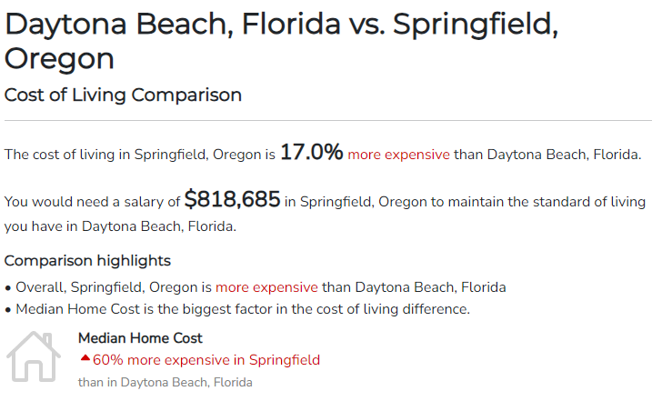
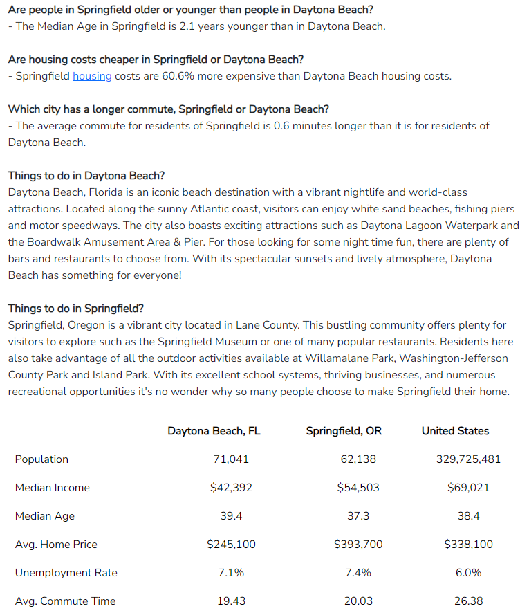

Source: https://www.bestplaces.net/cost-of-living/daytona-beach-fl/springfield-or/700000

